market size
market size estimation - omar based on prices fraction for flame retardant |  | size the market 2 approaches top down and bottom up | who is involved in building panels market

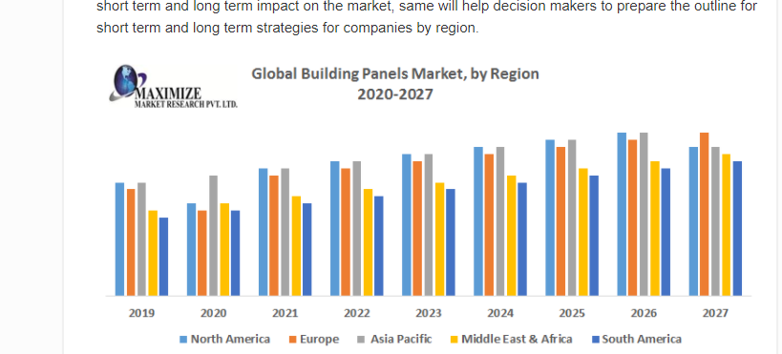
2020 global share million
180964.98
168150
217387.7508
174560
196000
190421.6333
187914.0607 | average
17649.97165 | stdv samples

average exchange rate for 2020
1.2837

in gbp
146384.7166
13749.29629

 |  |  |  | interested in 2021
find fraction for uk by revenue in construction industry
0.107

share for EU
0.212543554

SHARE FOR uk building panels market
3329.104687
approximately 3 billion
3.329104687

